Packaging Form (1 Per Brand)
GM Packaging Intake Form 2016
Supplier Contact Information |  |  |  | High Level Timeline
Walmart Supplier ID #: 36119786 | Name of Supplier Primary Contact: Chris | Primary Contact's Phone #: 13233515896 | Primary Contact's Email: sales@hy-group.cn | Packaging Artwork Due to Printer: | asap
Company Name: Shanxi Hongxuan Trade Co., Ltd | Street Address: 22nd F, Qilian Building, Nanzhonghuan Street | City: Taiyuan | State/Province: Shanxi | Shipping Start Date: | 1st July
Postal Code/Zip Code: 030006 | Country: China |  |  | Merchandise In-Store Date:
SECTION 1: Packaging Details
Brand: Holiday Time | Department Number: D14 | Category Manager Name: Rui Tabicas
SECTION 2: Printer Contact Information |  |  |  | SECTION 2A: Ethical Sourcing: (Printer MUST be Walmart audited)
Printer Name: |  |  |  | Printer WM Factory ID#:
Printer Address: |  |  |  | Audit Rating:
Contact's Phone: | Name of Contact: | Printer Contact's Email: |  | Red |  | Yellow | Green
SECTION 3: Specific Product Information Additional details can be entered in unused columns.
Product Image/ Packaging Reference (insert JPEG in this column) | Product Name/ Description (As it should appear on packaging) | Vendor Stock Number (if Style # is not issued) | UPC (12 digits) | Packaging Type *Please select one from the drop down menu | Needs a Try Me Button (Y/N),*Please select one from the drop down menu | Walmart Canada Import: Imported For OR Imported BY: *Please select one from the drop down menu | Country of Origin | Product Dimensions/Size Piece Count (eg. in./cm, King, 3-Piece, 6-Pack etc.) | NEW ! Product Principal Display Dimension (in W x in L cm x cm) | ProductWeight lbs/kg; oz/g | Colour/ Pattern | Material/ Fabrication (e.g., Egyptian cotton, faux suede, birch veneer) | Features/Benefits (e.g., expandable, reversible, multi-use, easy-care,) | Product Use/Care Instructions All copy entered here will appear on packaging verbatim. Please make sure the wording of warnings are finalized with your legal department or any regulatory agencies. | Warnings/ Warranty/ Special Marks/ Logos/ Co-Branding Warnings are the responsibility of the supplier. | Pre-Price If applicable (Please confirm with Category Manager)
 | STEMLESS WINE GLASS | HX20CA01 | ‘769135989269 | UPC | No TRY ME needed | Imported BY | China | 9.3*12cm | 9.3*12cm |  | decal | glass | 1.stemless wine glass 2. 3. | Wash before first use. Hand wash only. | Handle with care | 2.97
 | STEMLESS WINE GLASS | HX20CA01-RE | ’769135989276 | UPC | No TRY ME needed | Imported BY | China | 9.3*12cm | 9.3*12cm |  | etched | glass | 1.stemless wine glass 2. 3. | Wash before first use. Hand wash only. | Handle with care | 2.97
 | STEMLESS WINE GLASS | HX20CA01-NDE | ‘769135989283 | UPC | No TRY ME needed | Imported BY | China | 9.3*12cm | 9.3*12cm |  | decal | glass | 1.stemless wine glass 2. 3. | Wash before first use. Hand wash only. | Handle with care | 2.97
 |  |  |  |  |  |  |  |  |  |  |  |  | 1. 2. 3.
 |  |  |  |  |  |  |  |  |  |  |  |  | 1. 2. 3.
 |  |  |  |  |  |  |  |  |  |  |  |  | 1. 2. 3.
 |  |  |  |  |  |  |  |  |  |  |  |  | 1. 2. 3.
 |  |  |  |  |  |  |  |  |  |  |  |  | 1. 2. 3.
 |  |  |  |  |  |  |  |  |  |  |  |  | 1. 2. 3.
 |  |  |  |  |  |  |  |  |  |  |  |  | 1. 2. 3.

File Naming Instructions
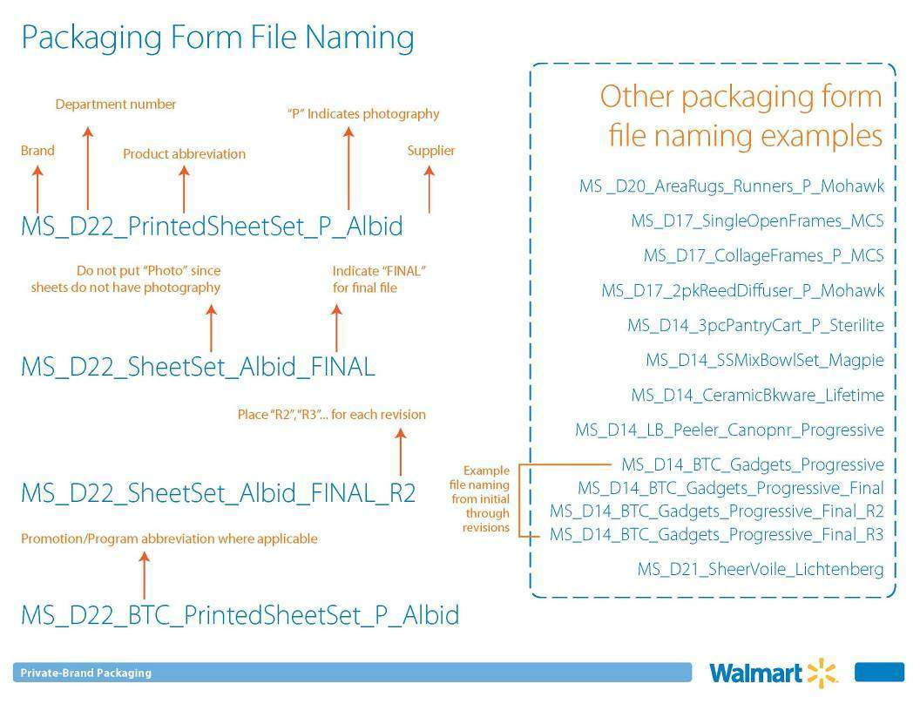

Fill out if PDQs are needed for your items

